usecase
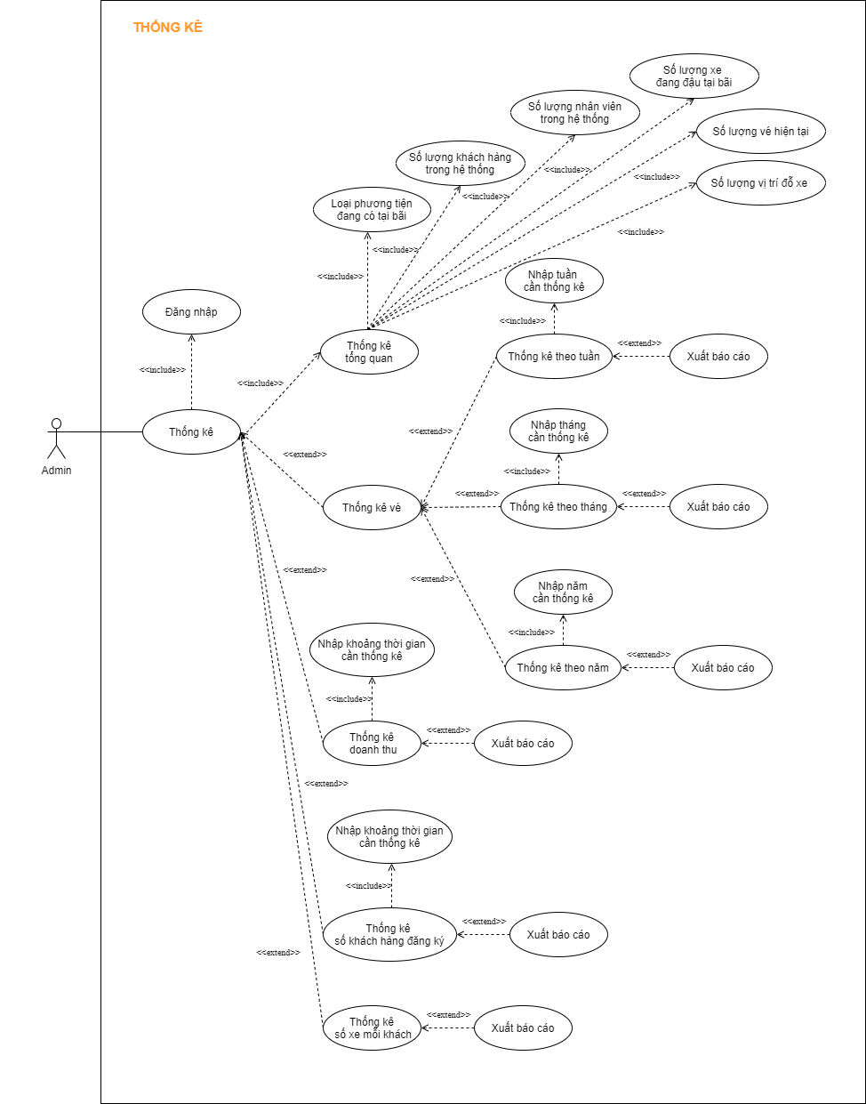
5.7 Giao diện thống kê
 | 5.7.1 Giao diện thống kê tổng hợp
 | 5.7.2. Giao diện thống kê theo ngày tháng năm

class-diagram
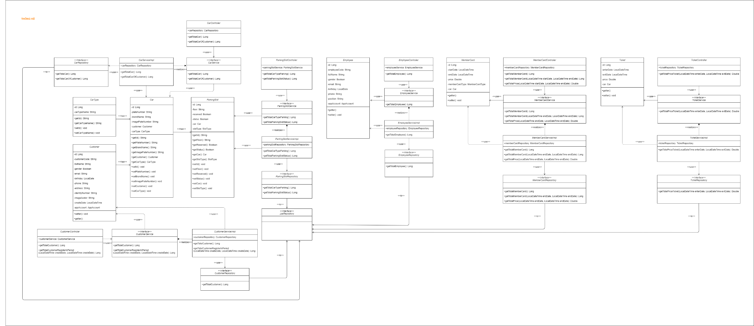
5.7 Giao diện thống kê
 | 5.7.1 Giao diện thống kê tổng hợp
 | 5.7.2. Giao diện thống kê theo ngày tháng năm

